Sheet1
No. | Scenario Description | General Test Case Steps | Assigned to / Executed by | Status In Progress Pass Fail Blocked Archived | If Fail, JIRA Defect Number | Actual Results | Comments | Proof: File Name
 | School Password Resetter
1 | Verify that a Central-level administrator has to assist the School Password Resetter to reset his/her own password | 1. Click on the Northwestern NU Validate URL, https://idmspqa.ci.northwestern.edu/identityiq/login.jsf?prompt=true, the Welcome page displays 2. Enter First Name/Last Name/NetID or emplid into the identities search textbox, the identity search field is populated 3. Click the Search icon, the user's information does NOT display | Caleb Burton | Pass |  | Works as listed | Tested with Scott Pitts (emplID: 1072322)
2 | Verify that the Password Resetter can view NetID details within the scope of the school | 1. Click on the Northwestern NU Validate URL, https://idmspqa.ci.northwestern.edu/identityiq/login.jsf?prompt=true, the Welcome page displays 2. Enter First Name/Last Name/NetID or emplid into the identities search textbox, the identity search field is populated 3. Click the Search icon, the user's information displays in a row 4. Click on the row and the Generate Activaction Code page displays with the following fields: NetID, HR Emplid, SES Emplid, Display Name, Administered By, Published E-mail, Mailbox, Password Status, Last Password Change, Authorized By, Comment | Caleb Burton | Fail |  | Works as listed, EXCEPT that it does not display the "Authorized By" field. | Tested with Georgia Tsagalis (student ID: 3031220) | 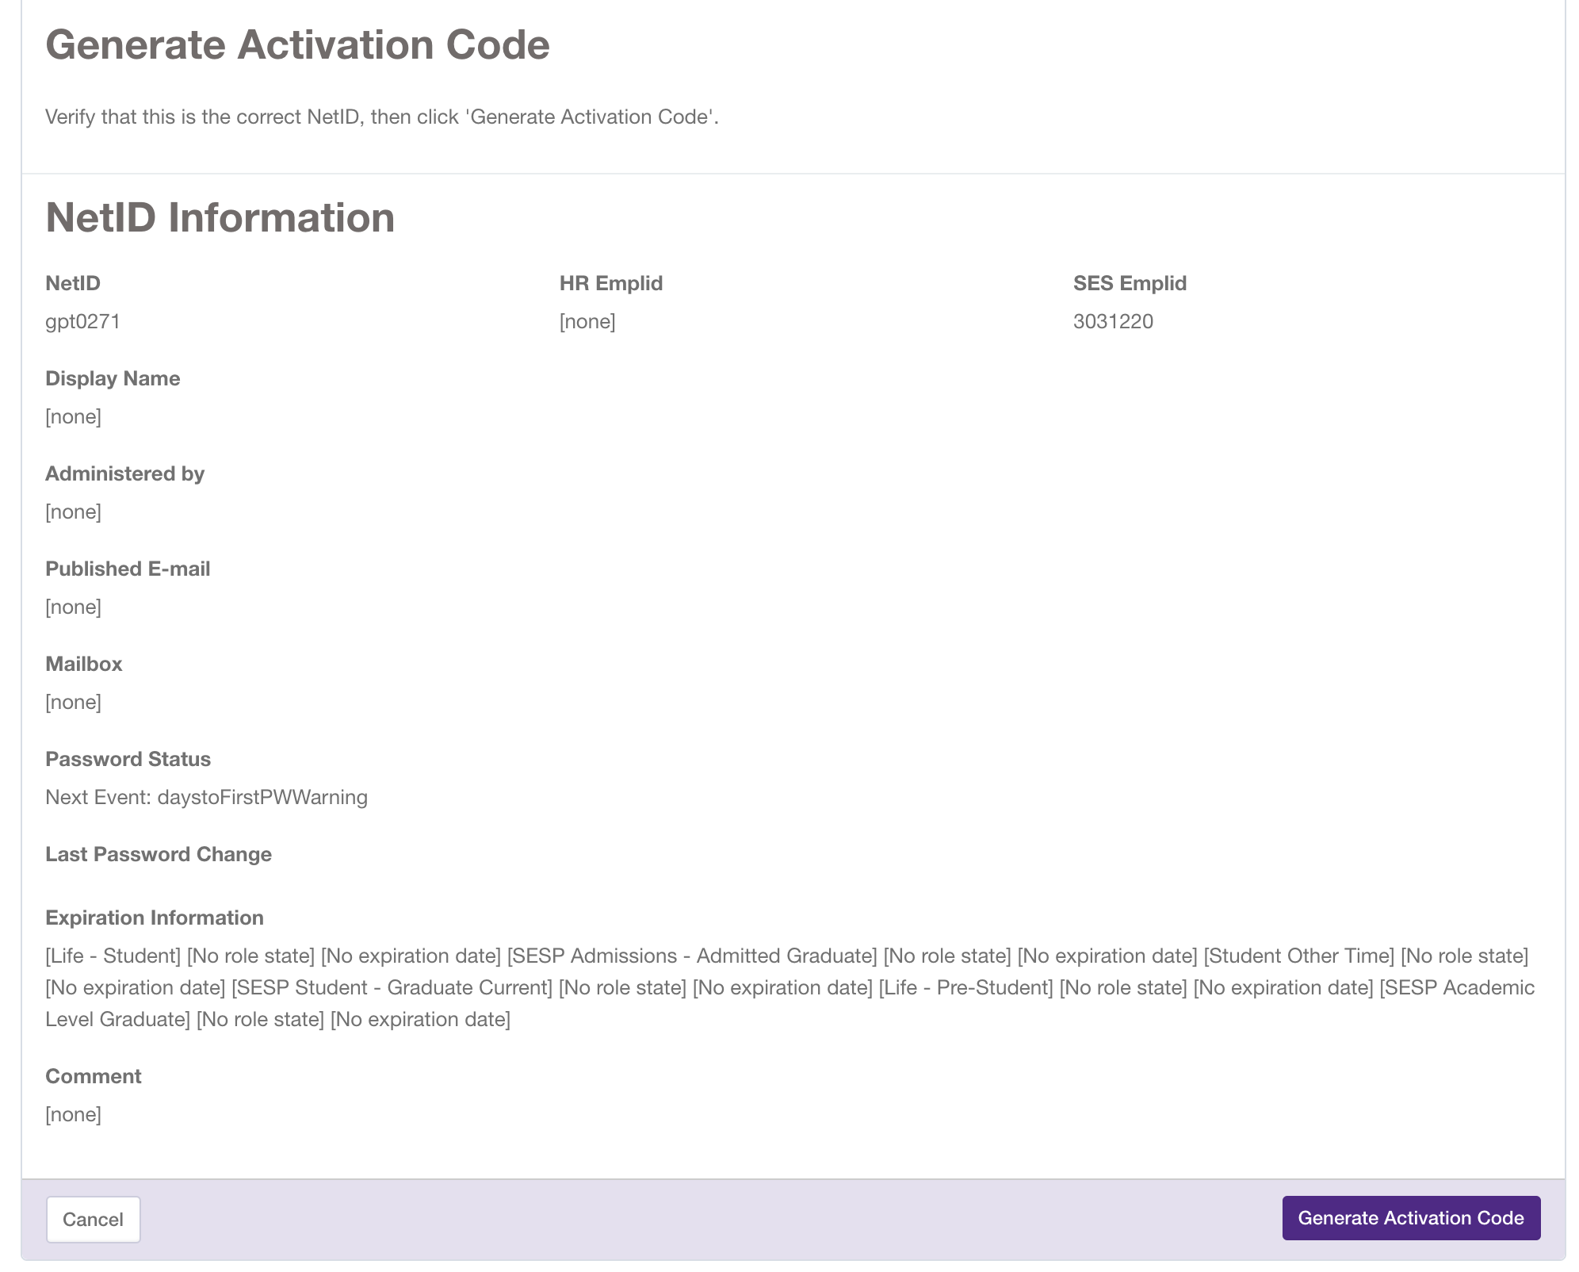
3 | Verify that a Password Resetter can generate an activation code for a single, in scope, NetID, the activation code displays on the screen, and meets the the standard password requirements | 1. Password Reset Supervisor clicks on the (SP) NU Validate URL, https://idmspqa.ci.northwestern.edu/identityiq/login.jsf?prompt=true, the Welcome page displays 2. Enter Username/NetID and password, the Username and password fields are populated 3. Click the Login button, the NU Validate Home page displays 4. Click on the Quick Menu (on the left) and select the Manage Passwords link, the Select identities to start this request screen displays 5. Enter the requestor's NetID (or First Name, Last Name) into the 'Filter by Identy Name' search textbox, the textbox is populated 6. Click on the Search icon, the first and last name of the requestor and the requestor's Emplid displays in the grid in a row 7. Click the Select button to submit the request for an activation code, the activation code is displayed on the screen, meets the password requirements and the requestor receives a success email | Caleb Burton | Fail |  | Step 4 failed. There is no "manage passwords link", only a "change NetID" link under the "Manage Access" category. Other steps worked as listed. | Tested with Oishy Reza (student ID: 3021013) | 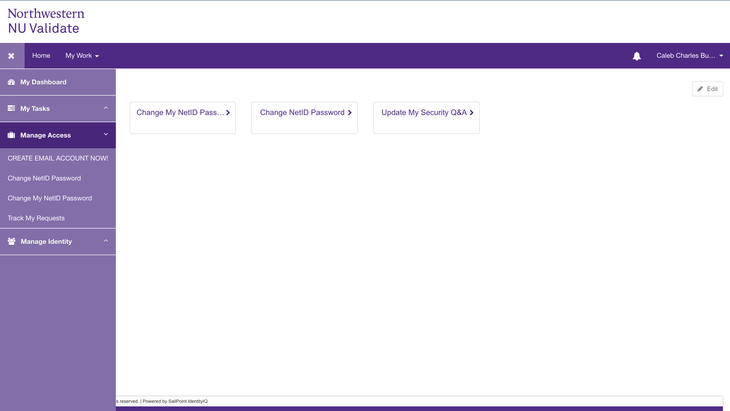 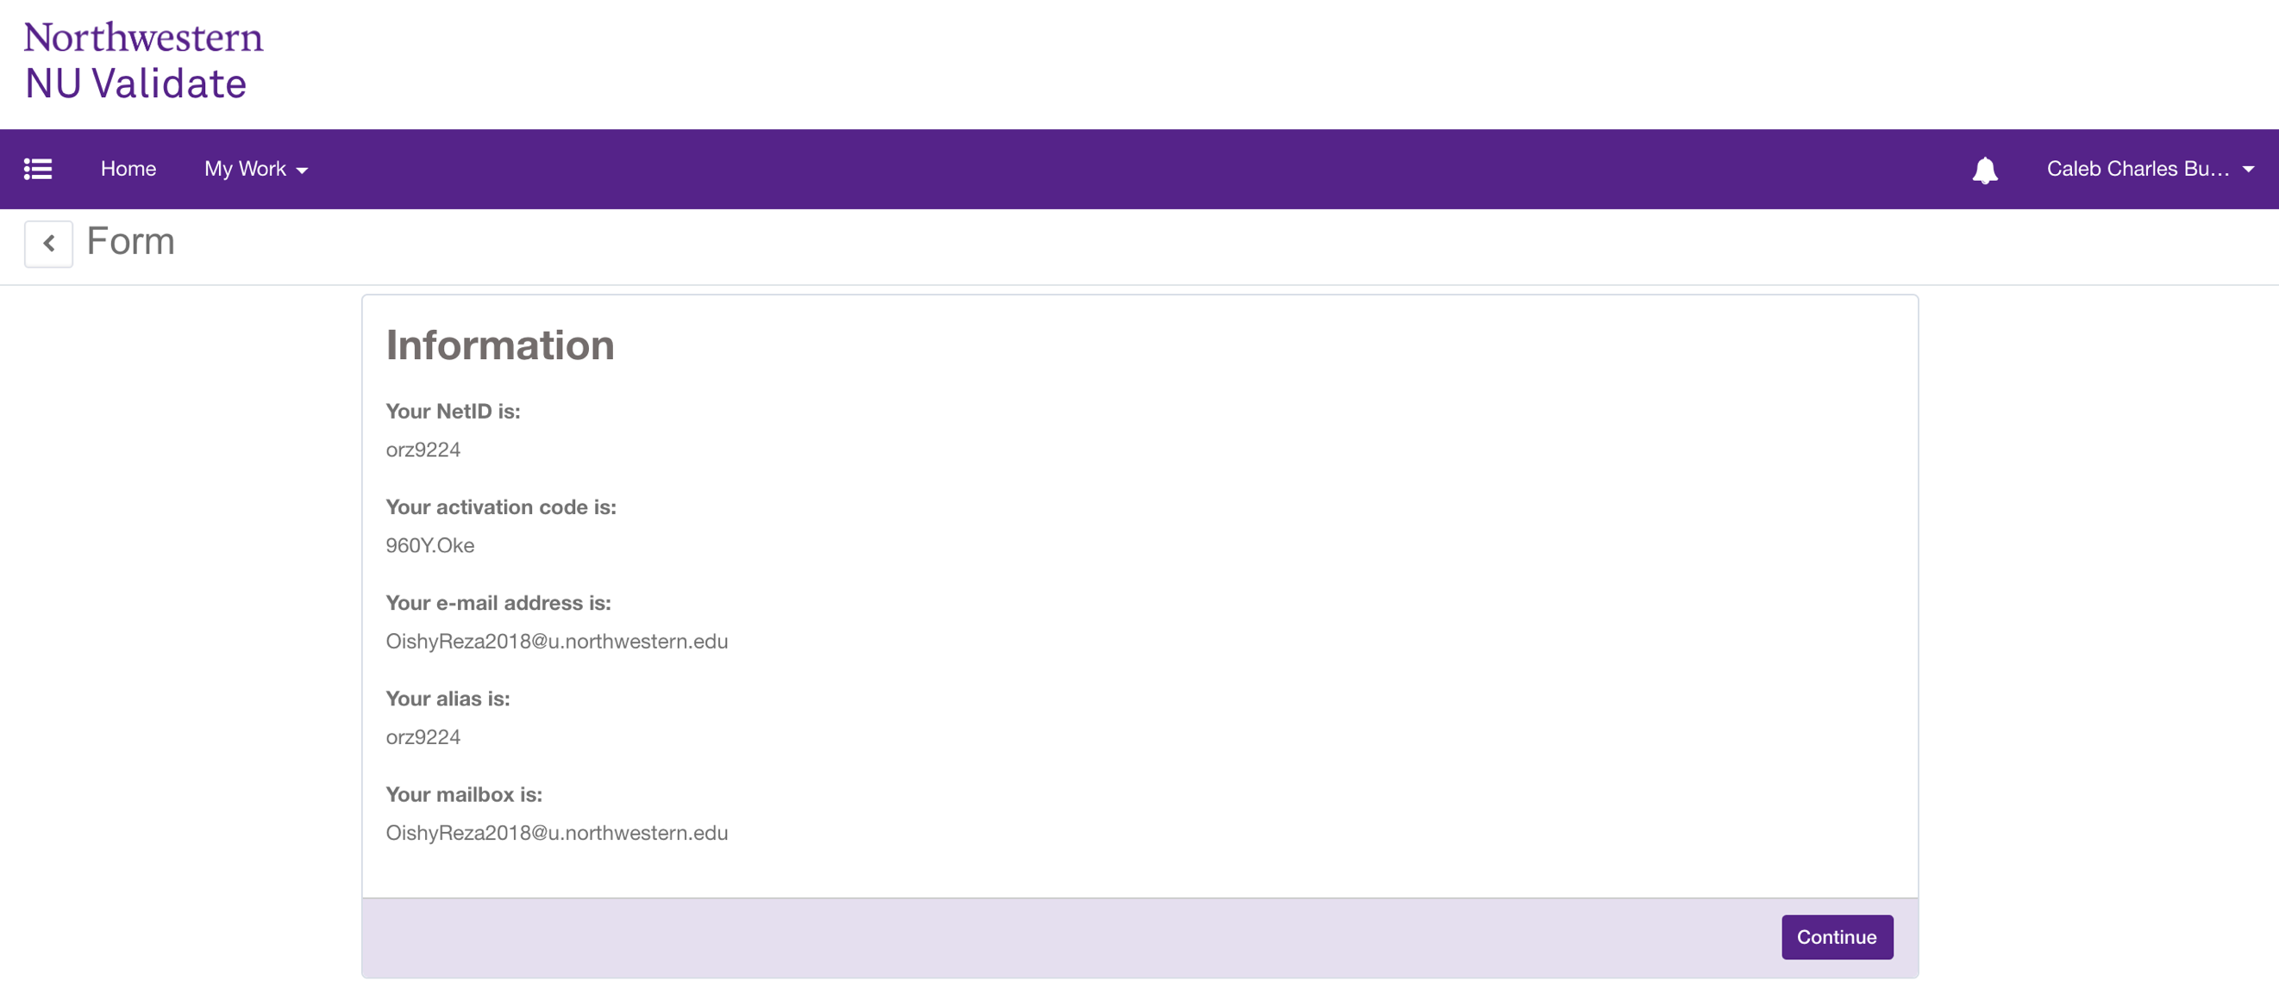
4 | Verify that a Password Resetter can reset passwords (generate activation codes) for all users within the scope of the school Use at least three students and two employees. | 1. Password Reset Supervisor clicks on the (SP) NU Validate URL, https://idmspqa.ci.northwestern.edu/identityiq/login.jsf?prompt=true, the Welcome page displays 2. Enter Username/NetID and password, the Username and password fields are populated 3. Click the Login button, the NU Validate Home page displays 4. Click on the Quick Menu (on the left) and select the Manage Passwords link, the Select identities to start this request screen displays 5. Enter the requestor's NetID (or First Name, Last Name) into the 'Filter by Identy Name' search textbox, the textbox is populated 6. Click on the Search icon, the first and last name of the requestor and the requestor's Emplid displays in the grid in a row 7. Click the Select button to submit the request for an activation code, the activation code is displayed on the screen, meets the password requirements and the requestor receives a success email | Caleb Burton | Pass |  | Same issue as above: the link is named something different than what is written in the instructions. Other steps worked as listed. | Tested with three students: - Christine Schounard (3020951) - Amelia Ridgeway (3019800) - Ahmd Azab (3018480) Tested with two employees: - Emily Ferrin (1081432) - Christopher Harrison (1088793) | 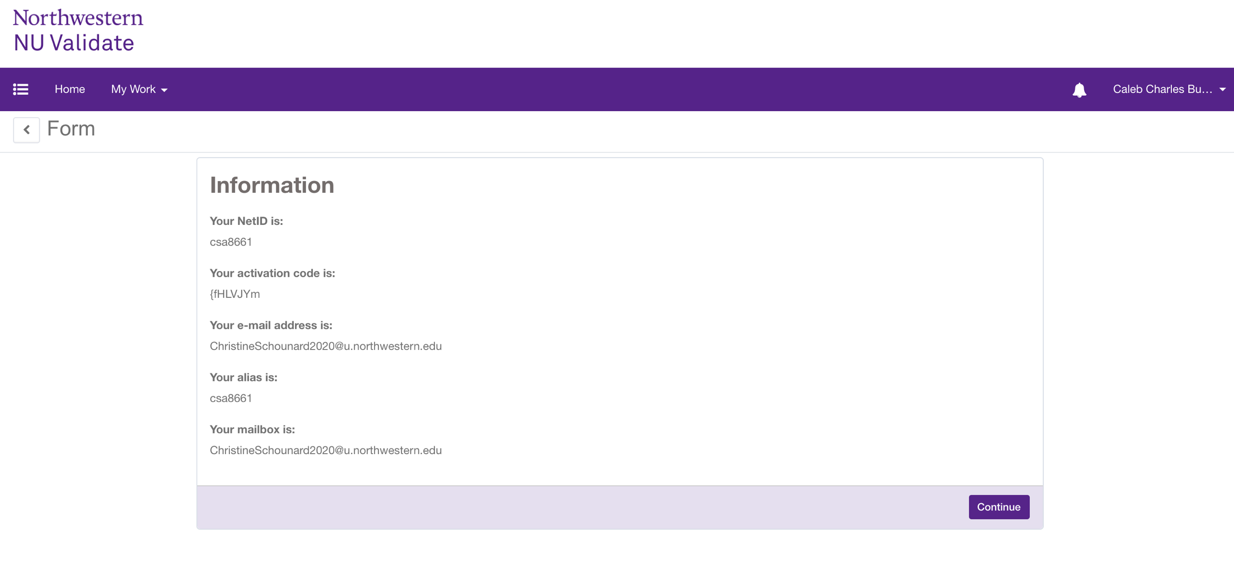
5 | Verify that a Password Resetter CANNOT reset passwords (generate activation codes) for (all) users OUTSIDE the scope of the school Use at least 2 students and one employee | 1. Password Reset Supervisor clicks on the (SP) NU Validate URL, https://idmspqa.ci.northwestern.edu/identityiq/login.jsf?prompt=true, the Welcome page displays 2. Enter Username/NetID and password, the Username and password fields are populated 3. Click the Login button, the NU Validate Home page displays 4. Click on the Quick Menu (on the left) and select the Change Password link, the Select identities to start this request screen displays 5. Enter the requestor's NetID (or First Name, Last Name, etc.) into the 'Filter by Identy Name' search textbox, the textbox is populated 6. Click on the Search icon, the first and last name of the requestor and the requestor's Emplid displays in the grid in a row 7. Click on the row, the information displays and the Select button is disabled | Caleb Burton | Fail |  | Again, the instructions reference a link that does not exist. The name of the link is "Change NetID Password", not "Change Password" None of the IDs that I searched displayed any results. | Tested with two students: - 2939772 (Weinberg) - 3074803 (Kellogg) Tested with one employee: - 1002139 (Feinberg) | 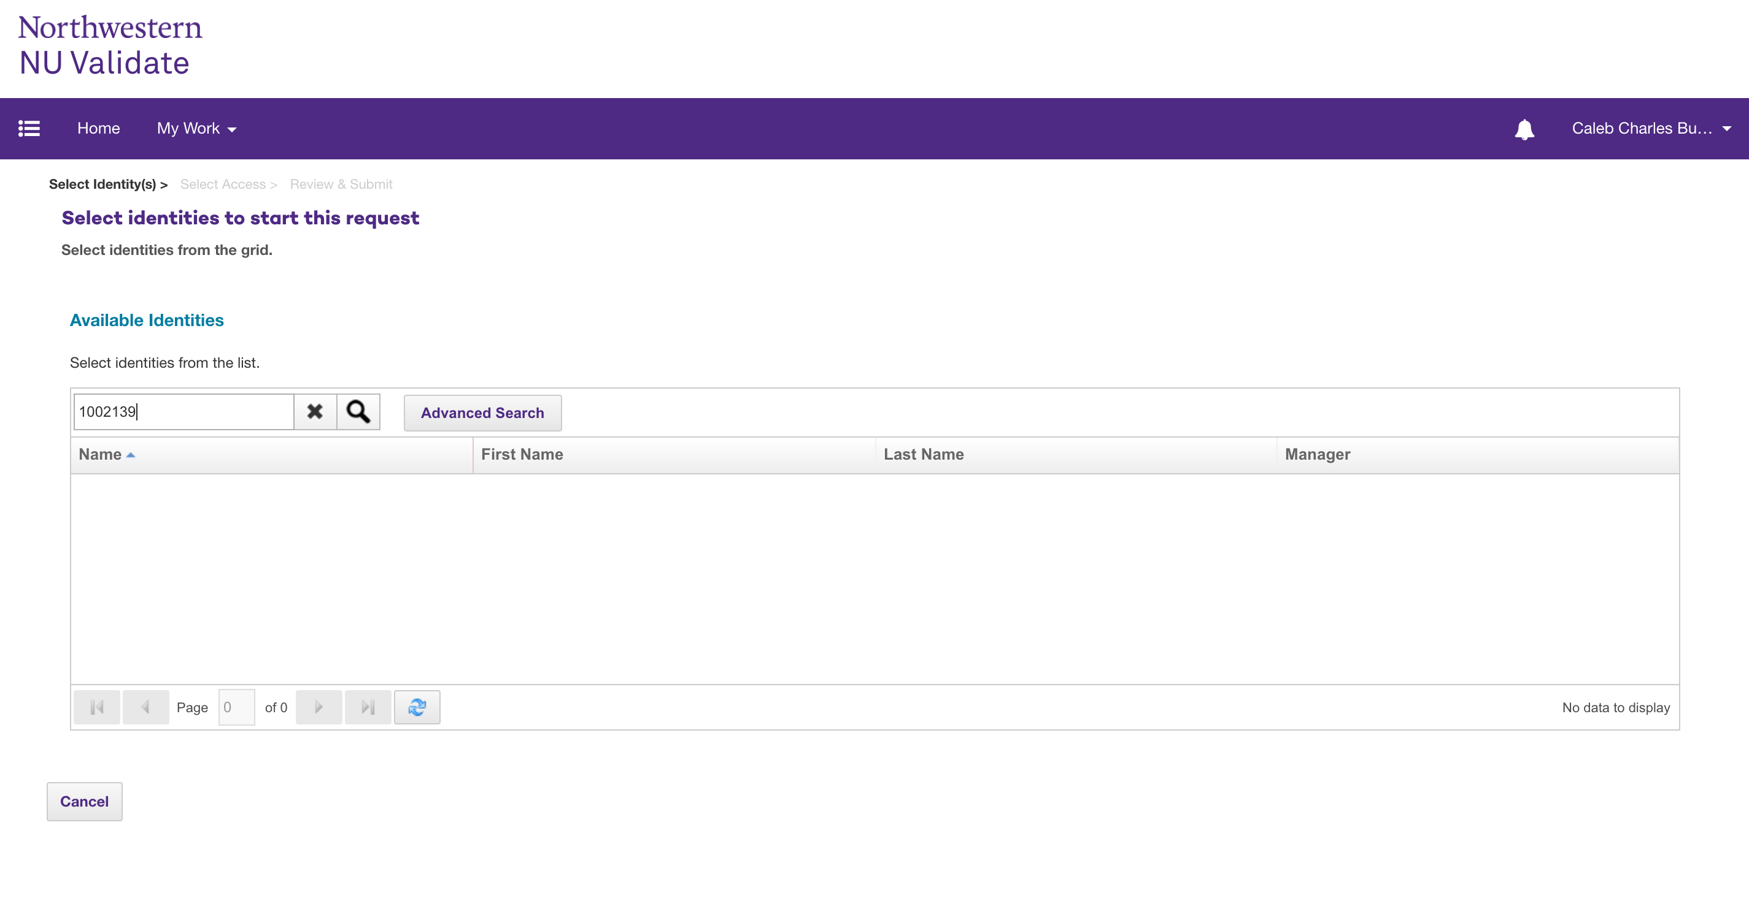
 | The User
1 | Verify that the user goes to the NU Welcome page to use the activation code to authenciate his/her identity and is routed to the Home page | 1. User logs in using URL: https://idmspqa1.ci.northwestern.edu:8443/identityiq/login.jsf?prompt=true 2. User enters UserName and activation code on the Welcome page 3. Click the Login button, land on the Home page
2 | Verify when the user clicks the "Change My NetID Password>" tile the 'Change Your NetID Password' page displays with the password requirements, policy statement, and one (or two if Feinberg) checkbox(es) to acknowledge the policy | 1. User clicks on Change My NetID Password> tile, the Change Your NetID Password page displays
3 | Verify that a user can successfully change his/her NetID password after logging in with an authentication code | 1. User logs in with authentication code and lands on the Home page 2. User clicks on Change My NetID Password> tile, the Change Your NetID Password page displays 3. Enter new password in the Password textbox 4. Enter the new password into the Repeat textbox 5. Check the 'I agree to the above conditions' checkbox 6. Click the Change Password button, land on the Password Change Confirmation page 7. Click the Continue button, land on the Home page 8. User logs out using URL: https://evssodev4.ci.northwestern.edu:8443/amserver/UI/Logout 9. User logs in with WebSSO URL: https://idmspqa.ci.northwestern.edu/identityiq/ and lands on the Welcome page 10. User logs in with User Name and new password, lands on the Home page
4 | Verify that a user can successfully log into WebSSO with his/her new password | 1. User logs in with WebSSO URL: https://idmspqa.ci.northwestern.edu/identityiq/ and lands on the Welcome page 2. User logs in with User Name and new password, lands on the Home page
5 | Verify that a user, who knows his/her current password, can log in using URL: https://idmspqa.ci.northwestern.edu/identityiq/, click on the Change My NetID Password> tile, gets routed to the Change Your NetID Password page, change his/her password, and receive an email with the success verbiage Users can get logout of the websso environment by using the following URL (paste in address bar & will get logged out): https://evssodev4.ci.northwestern.edu:8443/amserver/UI/Logout | 1. User logs in using URL: https://idmspqa.ci.northwestern.edu/identityiq/ 2. User enters UserName and password on the Welcome page 3. Click the Login button, land on the Home page 4. User clicks on Change My NetID Password> tile, the Change Your NetID Password page displays 5. Enter new password in the Password textbox 6. Enter the new password into the Repeat textbox 7. Check the 'I agree to the above conditions' checkbox 8. Click the Change Password button, land on the Password Change Confirmation page 9. Click the Continue button, land on the Home page 10. User logs out using URL: https://evssodev4.ci.northwestern.edu:8443/amserver/UI/Logout
91 | Verify that the user goes to the NU Welcome page to use the activation code to authenciate his/her identity and is routed to the "Change your Password Now" web page
92 | Verify that the "Change your Password Now" web page displays the password requirements, policy statement, and one (or two if Feinberg) checkbox(es) to acknowledge the policy
93 | Verify that the user can use the activaction code for up to 24 hours to access the IdM system Question: What are the business rules for the 24 hour time frame and the 60 day time frame. The 24 time frame can be tested, but the 60 day time frame would be tough to test in the project's time frame unless the system time on the QA box can be adjusted Explain the 60 day and the 24 hour time frames. | 1. The requestor receives the email with the activation code and success message 2. User logs into the IdM system after receiving the activation code/password, does not change his/her password and gains access to the IdM system 2. The user logs into the IdM system four hours after receiving the activation/password, does not change his/her password and gains access to the IdM system 3. The user logs into the IdM system before 23.59 hours time frame with the activation/password and gains access to the IdM system
94 | Verify when a user who does not log into the IdM system immediately after receiving his/her activation/passcode, and does not change his/her password before the 60 day time frame , the password expires and is set to a random value on all applications, the NetId is disabled, and the user is not able to access the IdM system Work around: URL for student to use activation code: https://idmspqa.ci.northwestern.edu/identityiq/login.jsf?prompt=true Users can get logout of the websso environment by using the following URL (paste in address bar & will get logged out): https://evssodev4.ci.northwestern.edu:8443/amserver/UI/Logout
95 | Verify that the user can use the activaction code for up to 60 days to access the system
96 | Verify when a user who has not set any security question is prompted to answer two security questions
97 | Verify when a user who has set one security question is prompted to answer more security questions Work around: URL for student to use activation code: https://idmspqa.ci.northwestern.edu/identityiq/login.jsf?prompt=true Users can get logout of the websso environment by using the following URL (paste in address bar & will get logged out): https://evssodev4.ci.northwestern.edu:8443/amserver/UI/Logout
98 | Verify when a user has set two security questions, he/she is not prompted to answer more security questions Work around: URL for student to use activation code: https://idmspqa.ci.northwestern.edu/identityiq/login.jsf?prompt=true Users can get logout of the websso environment by using the following URL (paste in address bar & will get logged out): https://evssodev4.ci.northwestern.edu:8443/amserver/UI/Logout
99 | Verify when the student/user whose NetID was bulk generated and the user's profile does not have a current HR, SES or manually-asserted affiliate/org/guest "life" role, the user's life role is at or beyond the "netid deactivation" phase, and the user will receive an email with the unsuccessful verbiage. Work around: URL for student to use activation code: https://idmspqa.ci.northwestern.edu/identityiq/login.jsf?prompt=true Users can get logout of the websso environment by using the following URL (paste in address bar & will get logged out): https://evssodev4.ci.northwestern.edu:8443/amserver/UI/Logout
100 | Verify when the employee/user whose Emplid was bulk generated and the user's profile does not have a current HR, SES or manually-asserted affiliate/org/guest "life" role, the user's life role is at or beyond the "netid deactivation" phase, and the user will receive an email with the unsuccessful verbiage. Work around: URL for student to use activation code: https://idmspqa.ci.northwestern.edu/identityiq/login.jsf?prompt=true Users can get logout of the websso environment by using the following URL (paste in address bar & will get logged out): https://evssodev4.ci.northwestern.edu:8443/amserver/UI/Logout
101 | Verify that a user, who knows his/her current password, can log into the 'reset password' web page and change his/her password and receive an email with the success verbiage Work around: URL for student to use activation code: https://idmspqa.ci.northwestern.edu/identityiq/login.jsf?prompt=true Users can get logout of the websso environment by using the following URL (paste in address bar & will get logged out): https://evssodev4.ci.northwestern.edu:8443/amserver/UI/Logout
102 | Verify when a student/user with a valid NetID logs with his/her activation code, the "Change your Password Now" web page displays the password requirements, policy statement, and one (or two if Feinberg) checkbox(es) to acknowledge the policy Work around: URL for student to use activation code: https://idmspqa.ci.northwestern.edu/identityiq/login.jsf?prompt=true Users can get logout of the websso environment by using the following URL (paste in address bar & will get logged out): https://evssodev4.ci.northwestern.edu:8443/amserver/UI/Logout
103 | Verify when an employee/user with a valid NetID logs with his/her activation code, the "Change your Password Now" web page displays the password requirements, policy statement, and one (or two if Feinberg) checkbox(es) to acknowledge the policy Work around: URL for student to use activation code: https://idmspqa.ci.northwestern.edu/identityiq/login.jsf?prompt=true Users can get logout of the websso environment by using the following URL (paste in address bar & will get logged out): https://evssodev4.ci.northwestern.edu:8443/amserver/UI/Logout
104 | Verify when a student/user with a valid NetID logs with his/her activation code that was bulk submited (using their Emplid) with a pre-generated activation code, the "Change your Password Now" web page displays with the password requirements, policy statement, and one (or two if Feinberg) checkbox(es) to acknowledge the policy, the user changes his/her password, and receives a confirmation email with the success verbiage Work around: URL for student to use activation code: https://idmspqa.ci.northwestern.edu/identityiq/login.jsf?prompt=true Users can get logout of the websso environment by using the following URL (paste in address bar & will get logged out): https://evssodev4.ci.northwestern.edu:8443/amserver/UI/Logout
105 | Verify when a student/user with a valid NetID logs in with his/her activation code that was bulk submited with pre-generated activation codes, the "Change your Password Now" web page displays with the password requirements, policy statement, and one (or two if Feinberg) checkbox(es) to acknowledge the policy, the user receives an email with the activation code, changes his/her password and receives a confirmation email with the success verbiage Work around: URL for student to use activation code: https://idmspqa.ci.northwestern.edu/identityiq/login.jsf?prompt=true Users can get logout of the websso environment by using the following URL (paste in address bar & will get logged out): https://evssodev4.ci.northwestern.edu:8443/amserver/UI/Logout | 1. NU student (only) logs in with their NetID and the pre-generated activation code they received from the Administrator 2. Click on the Change My NetID Password tile on the Home page 3. Land on the lchange Your NetID Password page 4. Enter Password 5. Enter Password again 6. Click on the I agree checkbox 7. Click the Change Password button 8. Logout 9. Login with the new password 10. Land on the Home page
106 | Verify when an employee/user with a valid NetID logs in with his/her activation code that was bulk submited (using their Emplid) with a pre-generated activation codes, the "Change your Password Now" web page displays with the password requirements, policy statement, and one (or two if Feinberg) checkbox(es) to acknowledge the policy, the user changes his/her password and receives a confirmation email with the success verbiage Work around: URL for student to use activation code: https://idmspqa.ci.northwestern.edu/identityiq/login.jsf?prompt=true Users can get logout of the websso environment by using the following URL (paste in address bar & will get logged out): https://evssodev4.ci.northwestern.edu:8443/amserver/UI/Logout | 1. NU Employee logs in with their NetID and the pre-generated activation code they received from the Administrator 2. Click on the Change My NetID Password tile on the Home page 3. Land on the lchange Your NetID Password page 4. Enter Password 5. Enter Password again 6. Click on the I agree checkbox 7. Click the Change Password button 8. Logout 9. Login with the new password 10. Land on the Home page
107 | Verify when an employee/user with a valid NetID logs in with his/her activation code that was bulk submited (using their NetID) with random-generated activation codes, the Home page with "Change NetID Password" tile displays, the user changes his/her password and receives a confirmation message and an email confirmation with the success verbiage Work around: URL for student to use activation code: https://idmspqa.ci.northwestern.edu/identityiq/login.jsf?prompt=true Users can get logout of the websso environment by using the following URL (paste in address bar & will get logged out): https://evssodev4.ci.northwestern.edu:8443/amserver/UI/Logout | 1. NU Employee logs in with their NetID and the bulk activation code they received from the Administrator 2. Click on the Change My NetID Password tile on the Home page 3. Land on the lchange Your NetID Password page 4. Enter Password 5. Enter Password again 6. Click on the I agree checkbox 7. Click the Change Password button 8. Logout 9. Login with the new password 10. Land on the Home page

